Build Tracker


Azure Cloud IAAS Build tracker Sheet

Serial No. | Date | Who | Tracker Satus | Status | Remarks
1 | 30-Jun-22 |  | 25% Build Sheet Prepared | In Progress | For Review
2

TDI Storage Rules
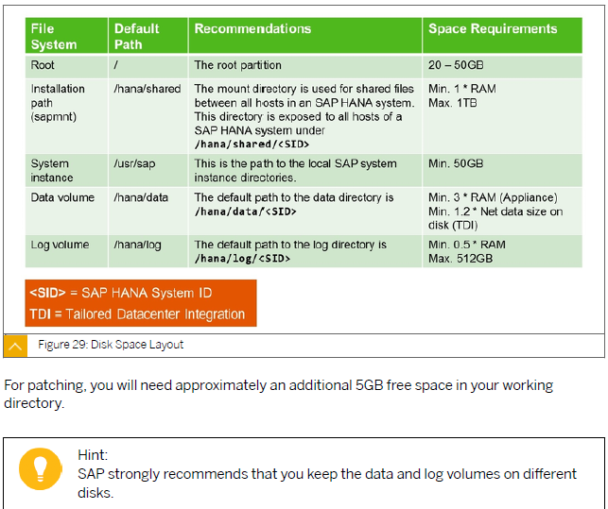
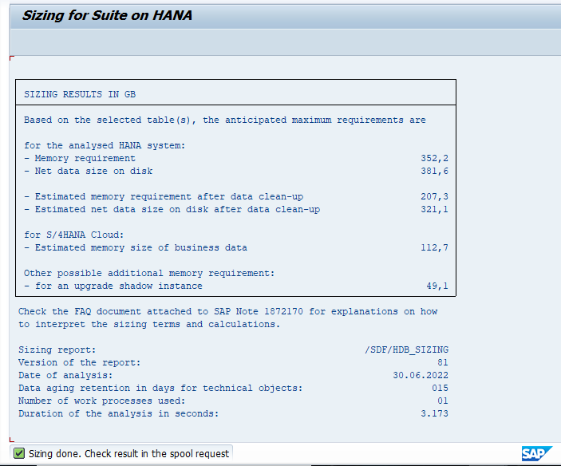

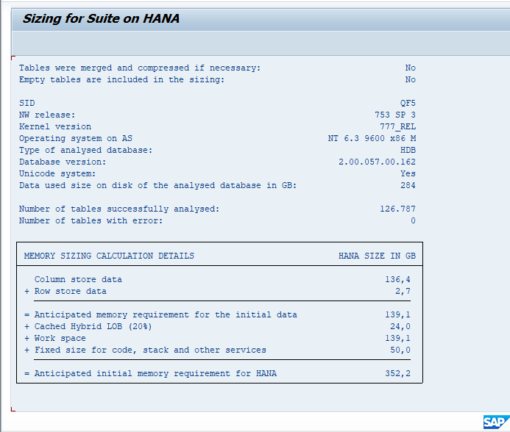

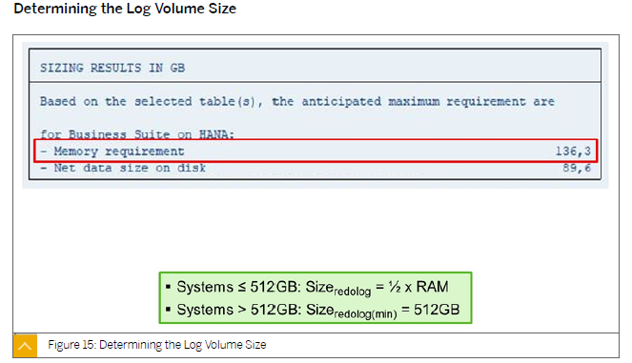

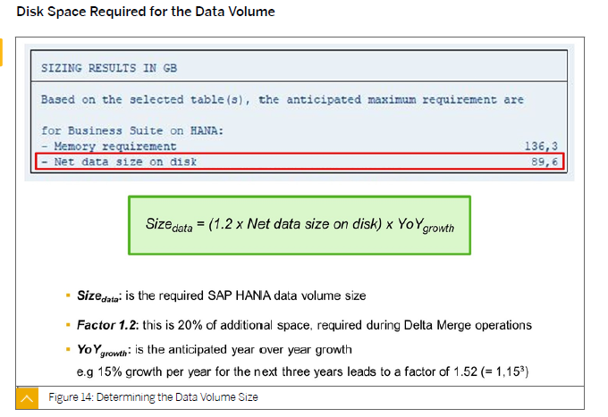

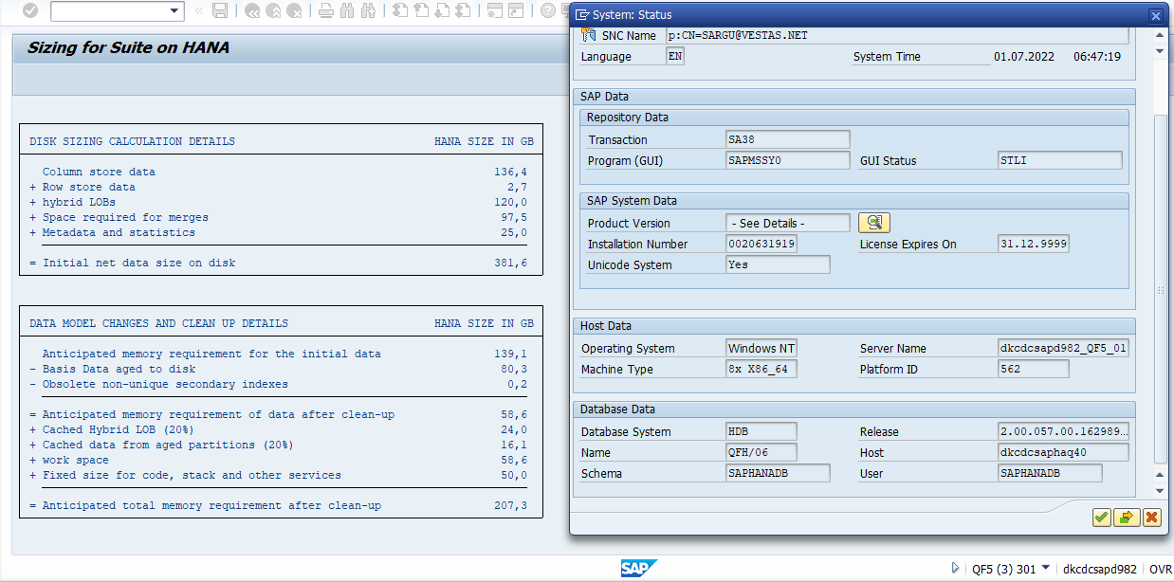

Azure VM Sizes
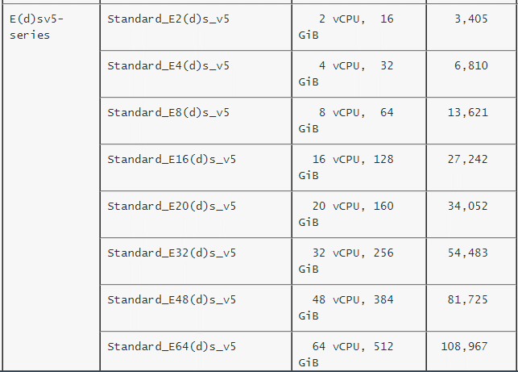
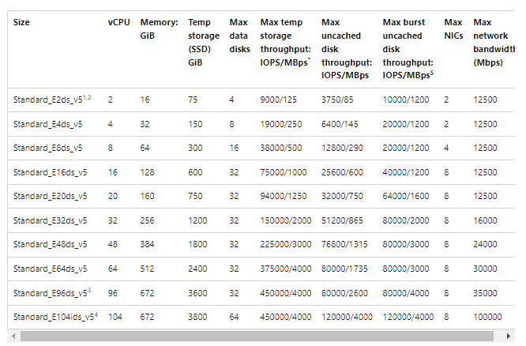
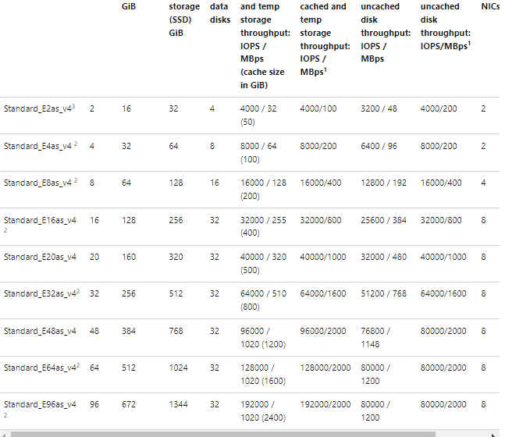
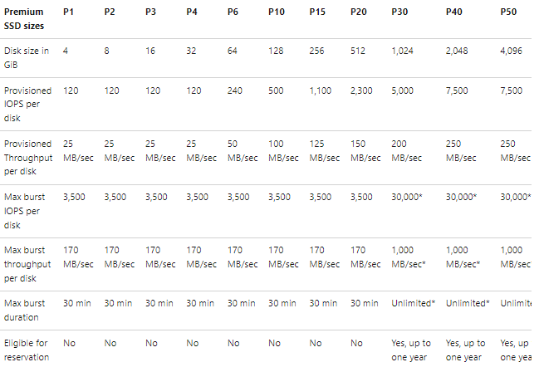
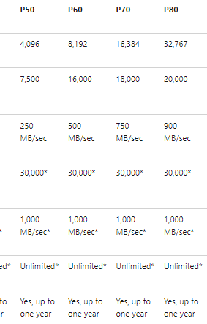
Machine name | Description | vCPUs1 | Memory (GB)
E4as_v4 |  | 4 | 32
E8as_v4 |  | 8 | 64
E16as_v4 |  | 16 | 128 | Size | Disk no | IOPS | Disk Cache
 |  |  |  | 4.4 TB | 1*E40 | 7,500 | Read only
 |  |  |  |  | 2*E30 | 10,000 | Read only
 |  |  |  |  | 1*E15 | 1,100 | Read only

 |  |  |  |  | 50
 |  |  |  |  | 150

 |  |  |  |  | 999
 |  |  |  |  | 930
 |  |  |  |  | 930
 |  |  |  |  | 930
 |  |  |  |  | 80
 |  |  |  |  | 4019

